Q2.b
Instructions: For each question part requiring an answer in Excel, (1) clearly identify the inputs to the calculations,
(2) show the necessary interim calculations, adding rows and / or columns, if necessary, and
(3) enter the final answer in some or all of the cells highlighted in yellow, as applicable in each circumstance.
These cells should contain formulas with links to other calculations in the worksheet. Minimize the use of
hard-coded figures and maximize the number of interim steps in the calculations that would demonstrate
your line of thinking.

 | Question 2(b)(i) - Calculate the loss amounts based on the Weibull distribution with the given parameters by using the simulated percentiles in the Excel workbook.

 | Question 2(b)(ii) - Calculate the Expected Shortfall at a 90% confidence level by using the losses calculated above.

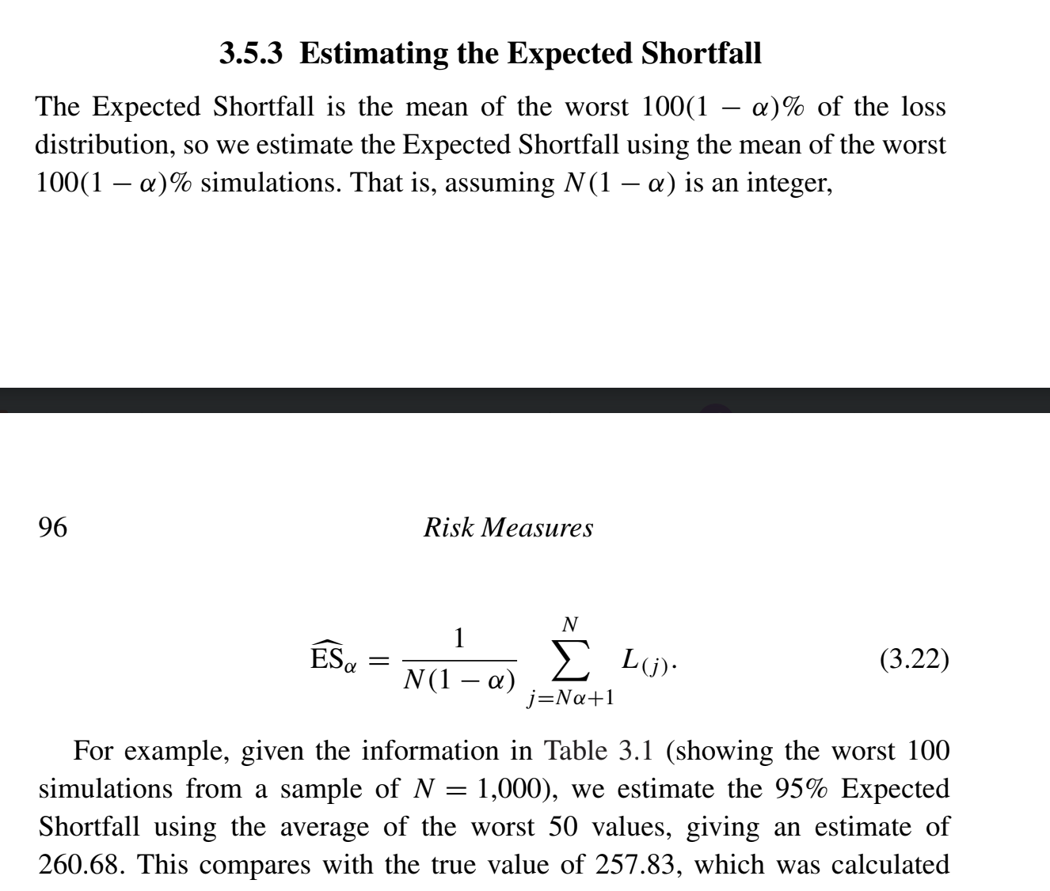
 |  |  | List | F(x) | Losses
 | Weibull Distribution Parameters |  | 1 | 82.94% | 3.99 | 1 | Highest Loss | 6.45
 | Tau τ | 2 | 2 | 17.78% | 1.33 | 2 | 2nd Highest Loss | 6.30
 | Theta θ | 3 | 3 | 92.00% | 4.77 | 3 | 3rd Highest Loss | 6.09
 |  |  | 4 | 46.65% | 2.38 | 4 | 4th Highest Loss | 5.83
 |  |  | 5 | 45.33% | 2.33 | 5 | 5th Highest Loss | 5.60
 | Parameters |  | 6 | 35.50% | 1.99 | 6 | 6th Highest Loss | 5.35
 | Number of Simulated Losses | 100 | 7 | 36.63% | 2.03 | 7 | 7th Highest Loss | 4.97
 | Alpha | 90% | 8 | 63.61% | 3.02 | 8 | 8th Highest Loss | 4.77
 |  |  | 9 | 30.80% | 1.82 | 9 | 9th Highest Loss | 4.71
 |  |  | 10 | 11.17% | 1.03 | 10 | 10th Highest Loss | 4.19
 |  |  | 11 | 78.84% | 3.74
 |  |  | 12 | 1.15% | 0.32
 |  |  | 13 | 12.07% | 1.08
 |  |  | 14 | 19.03% | 1.38
 | Expected Shortfall | 5.43 | 15 | 73.96% | 3.48
 |  |  | 16 | 39.95% | 2.14
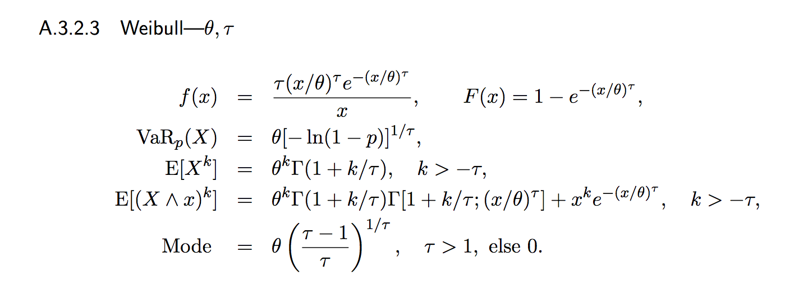
 |  |  | 17 | 73.45% | 3.45
 |  |  | 18 | 37.46% | 2.06
 |  |  | 19 | 58.14% | 2.80
 |  |  | 20 | 28.48% | 1.74
 |  |  | 21 | 10.27% | 0.99
 |  |  | 22 | 33.37% | 1.91
 |  |  | 23 | 81.67% | 3.91
 |  |  | 24 | 78.88% | 3.74
 |  |  | 25 | 58.77% | 2.82
 |  |  | 26 | 31.63% | 1.85
 |  |  | 27 | 7.74% | 0.85
 |  |  | 28 | 30.21% | 1.80
 |  |  | 29 | 99.02% | 6.45
 |  |  | 30 | 48.77% | 2.45
 |  |  | 31 | 74.51% | 3.51
 |  |  | 32 | 12.35% | 1.09
 |  |  | 33 | 60.34% | 2.88
 |  |  | 34 | 35.21% | 1.98
 |  |  | 35 | 69.67% | 3.28
 |  |  | 36 | 35.93% | 2.00
 |  |  | 37 | 98.38% | 6.09
 |  |  | 38 | 14.52% | 1.19
 |  |  | 39 | 20.26% | 1.43
 |  |  | 40 | 54.25% | 2.65
 |  |  | 41 | 6.54% | 0.78
 |  |  | 42 | 30.20% | 1.80
 |  |  | 43 | 58.12% | 2.80
 |  |  | 44 | 91.50% | 4.71
 |  |  | 45 | 70.05% | 3.29
 |  |  | 46 | 10.24% | 0.99
 |  |  | 47 | 81.02% | 3.87
 |  |  | 48 | 8.44% | 0.89
 |  |  | 49 | 70.79% | 3.33
 |  |  | 50 | 38.36% | 2.09
 |  |  | 51 | 93.57% | 4.97
 |  |  | 52 | 81.39% | 3.89
 |  |  | 53 | 3.21% | 0.54
 |  |  | 54 | 76.83% | 3.63
 |  |  | 55 | 77.76% | 3.68
 |  |  | 56 | 3.24% | 0.54
 |  |  | 57 | 67.11% | 3.16
 |  |  | 58 | 20.52% | 1.44
 |  |  | 59 | 13.42% | 1.14
 |  |  | 60 | 76.32% | 3.60
 |  |  | 61 | 62.12% | 2.96
 |  |  | 62 | 74.18% | 3.49
 |  |  | 63 | 40.88% | 2.17
 |  |  | 64 | 56.12% | 2.72
 |  |  | 65 | 20.14% | 1.42
 |  |  | 66 | 35.86% | 2.00
 |  |  | 67 | 34.54% | 1.95
 |  |  | 68 | 22.05% | 1.50
 |  |  | 69 | 77.15% | 3.64
 |  |  | 70 | 38.14% | 2.08
 |  |  | 71 | 34.84% | 1.96
 |  |  | 72 | 96.94% | 5.60
 |  |  | 73 | 3.85% | 0.59
 |  |  | 74 | 45.79% | 2.35
 |  |  | 75 | 68.14% | 3.21
 |  |  | 76 | 10.46% | 1.00
 |  |  | 77 | 85.80% | 4.19
 |  |  | 78 | 33.74% | 1.92
 |  |  | 79 | 69.62% | 3.27
 |  |  | 80 | 3.29% | 0.55
 |  |  | 81 | 67.87% | 3.20
 |  |  | 82 | 72.17% | 3.39
 |  |  | 83 | 12.27% | 1.09
 |  |  | 84 | 98.78% | 6.30
 |  |  | 85 | 55.53% | 2.70
 |  |  | 86 | 27.17% | 1.69
 |  |  | 87 | 36.89% | 2.04
 |  |  | 88 | 26.47% | 1.66
 |  |  | 89 | 95.84% | 5.35
 |  |  | 90 | 44.78% | 2.31
 |  |  | 91 | 72.45% | 3.41
 |  |  | 92 | 68.23% | 3.21
 |  |  | 93 | 44.83% | 2.31
 |  |  | 94 | 23.65% | 1.56
 |  |  | 95 | 33.94% | 1.93
 |  |  | 96 | 11.66% | 1.06
 |  |  | 97 | 64.70% | 3.06
 |  |  | 98 | 97.70% | 5.83
 |  |  | 99 | 85.81% | 4.19
 |  |  | 100 | 37.81% | 2.07

